Sheet1
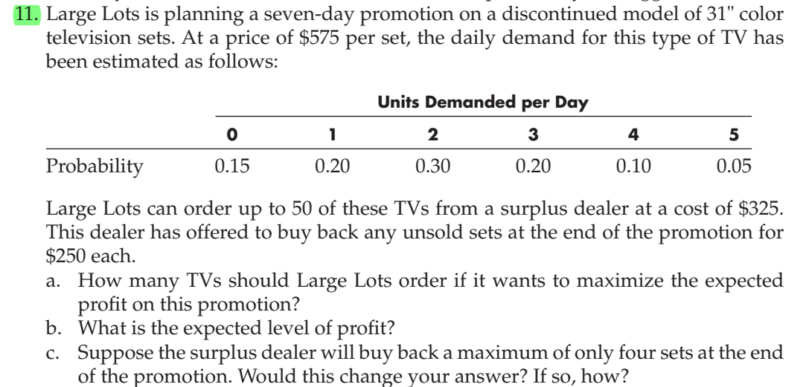
Unit selling Price | $575.00 | Max order | 50

Units Demanded per day | Probability
0 | 0.15
1 | 0.2
2 | 0.3
3 | 0.2
4 | 0.1
5 | 0.05

Day | Demand
1 | 3
2 | 5
3 | 6
4 | 5
5 | 0
6 | 0
7 | 0
Total Demand | 19
Unit cost price | $325.00
Unit surplus return | $250.00
No of TV to order | 50
Demand met | 31
Total cost | $16,250.00
Total sales | $17,825.00
Return income | $4,750.00
Total Profit | $6,325.00

